Sheet1
Bug Title | Inventory → Operations → Barcode - Barcode tag numbers repeat within the same business date - a second item gets an existing tag number and the tag cannot be invoiced
Steps to Reproduce | 1. Login as admin (Business Unit: Cochin); barcodes are generated as the barcode user suja (Business Unit: Cochin). Business date shown in the header: 24/06/2026 2. Create metal inwards and lots, then generate one barcode tag per lot at Inventory → Operations → Barcode during the day, without changing the business date 3. Observed on 26-09-2026: tags 2026-06-2400007 to 2026-06-2400012 were generated between 12:43 and 13:04 IST; from 14:53 IST the series restarted and generated 2026-06-2400001 to 2026-06-2400006 again (still business date 24/06/2026) 4. Navigate to: Sales & Distribution → Transfer In & Out → Counter Allocation and search 2026-06-2400002 5. Search 2026-06-2400004 in the same list (allocation cc46, lot NNN46, RFID 9A227E258A9740BE820F2277) 6. Navigate to: Sales & Distribution → Transfer In & Out → Counter Accept, click Add, select Item Type = Metal 7. Navigate to: Sales & Distribution → B2B → Invoice → Metal Invoice and click Add 8. Select Transaction Sub Type = Invoice, Customer = RAJA, Customer Branch = RAJA KOCHI BRANCH, Sales Executive = Ajin G, Stock Source = Counter, Issue Type = Tag Wise, Scan Type = RFID 9. Scan RFID 9A227E258A9740BE820F2277 (tag 2026-06-2400004) and press Enter Reproduction on 28-09-2026 (business date still 24/06/2026): 10. Navigate to: Procurement → Operations → Stock Inward (Metal), create a stock inward (vendor RAJA, 1 pc Gold,Ring-Tendulkar 91.60, 60.000 g) and answer "Process with Barcode or Lot?" with Yes → Barcode (inward M378, lot NNN56) 11. Note the generated tag number: 2026-06-2400008 12. Navigate to: Sales & Distribution → B2B → Invoice → Metal Invoice and search SSS17 (invoiced on 26-09-2026) 13. Navigate to: Sales & Distribution → Transfer In & Out → Counter Allocation, search cc43; then click Add, select Item Type Metal, Group Category Gold, Scan Type Tag Number, scan 2026-06-2400008 and press Enter (do not submit) Second reproduction on 28-09-2026 through the standard screens: 14. Navigate to: Procurement → Op
Actual Result | The barcode tag number series restarts within the same business date, so a new item receives a tag number that an earlier item already carries. Step 4: Counter Allocation lists 2 allocations with the same Tag Number 2026-06-2400002 - cc38 and cc45 - for two different stock items of 50.000 g each. Step 5: tag 2026-06-2400004 is allocated in cc46 (Status Approved). Step 6: Counter Accept shows "No Data found" - nothing is pending acceptance. The Counter Accept grid has no RFID column, so duplicated tag numbers cannot be told apart when accepting. Step 9: the scan is refused with the toast "Not allowed - This tag is not in Counter stock." and the tag cannot be invoiced. Reproduced again on 28-09-2026. Steps 10-13 (reproduced 28-09-2026): the new 60.000 g item (lot NNN56, RFID DF445BD56AD04283B608C685) receives tag number 2026-06-2400008 - the same number as the 10.000 g item of lot NNN38 (inward M360, RFID 6704C20F4F3A4841AD4CB925) that was allocated in cc43 together with 2026-06-2400007 and already SOLD on invoice SSS17 on 26-09-2026. Scanning the tag number now resolves to the new item. Steps 14-17 (reproduced 28-09-2026 via Metal Inward → Lot Generation → Barcode): the new 50.000 g item (lot NNN57, RFID 486317D29E53425081A21794) receives tag number 2026-06-2400009 - already carried by the 5.000 g Job Finalize tag of B2B order B187 / job work P213 (26-09-2026), allocated in cc44, accepted at the counter and transferred (cc77 / AA54). Counter Allocation lists cc44 for 2026-06-2400009, while scanning the number stages the new lot NNN57 item. Steps 18-19 (reproduced 28-09-2026): the new tag of lot NNN58 (inward M380) receives 2026-06-2400011, and scanning that number on Counter Allocation stages a DIFFERENT, older item - lot NN139, vendor Celestia Jewels, 10.000 g, RFID E43AC542D97340DC9D085496 - so the new item cannot be allocated by its own tag number and the wrong item is picked up. Steps 20-23 (root cause, reproduced on demand 28-09-2026): 2026-06-2500001 already ex
Expected Result | Barcode tag numbers must be unique: the series must never restart or reissue a number that already exists within the business date (or ever). The running count must be kept per business unit and business date (or be globally increasing) - generating a tag in another business unit with a different business date must not reset it. Each tag must identify exactly one stock item, so Counter Allocation, Counter Accept and the invoice act on the right item. A tag that has been allocated and accepted at the counter must be available in Counter stock, and the Metal Invoice RFID scan must add it as a line.
Screenshot
 | Counter Allocation

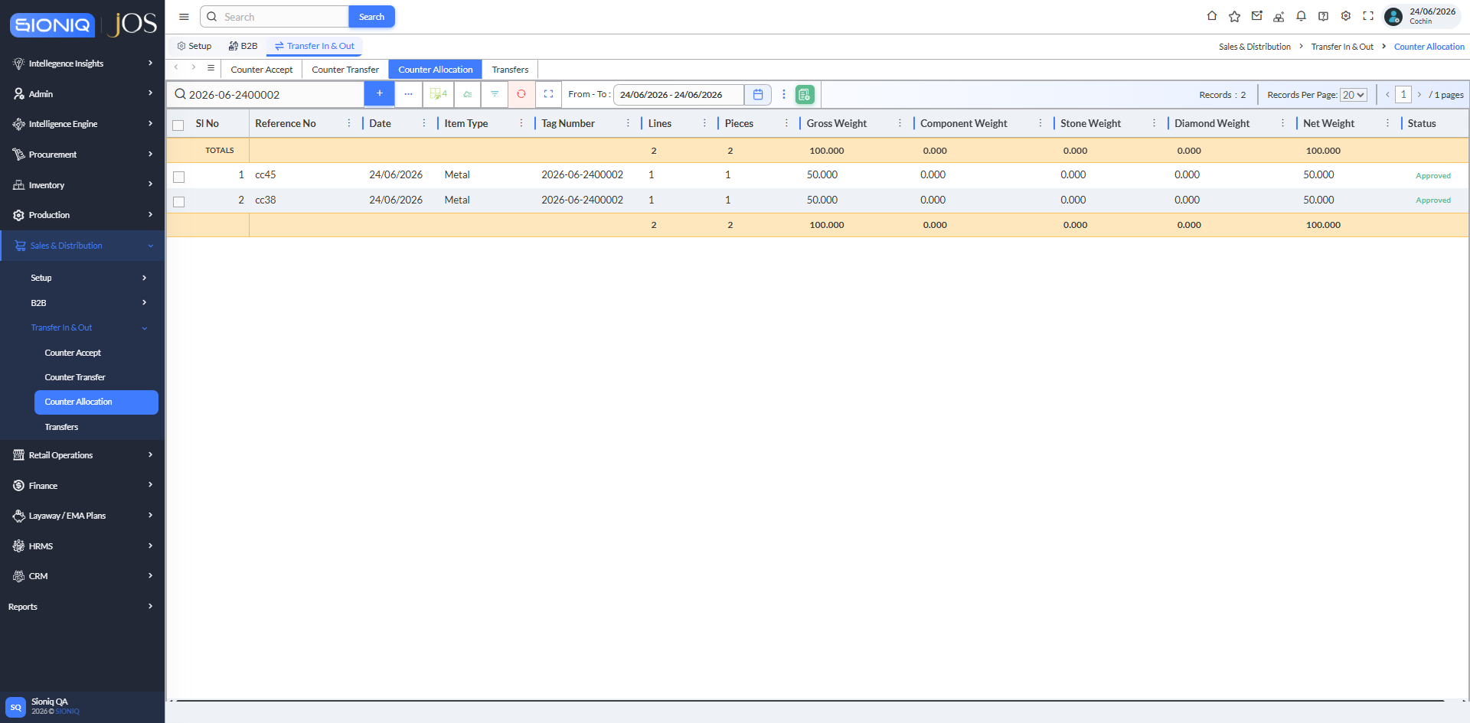

 | Tag Number 2026-06-2400002 allocated twice (cc45 and cc38) - two different 50.000 g items with the same tag number

 | Counter Allocation

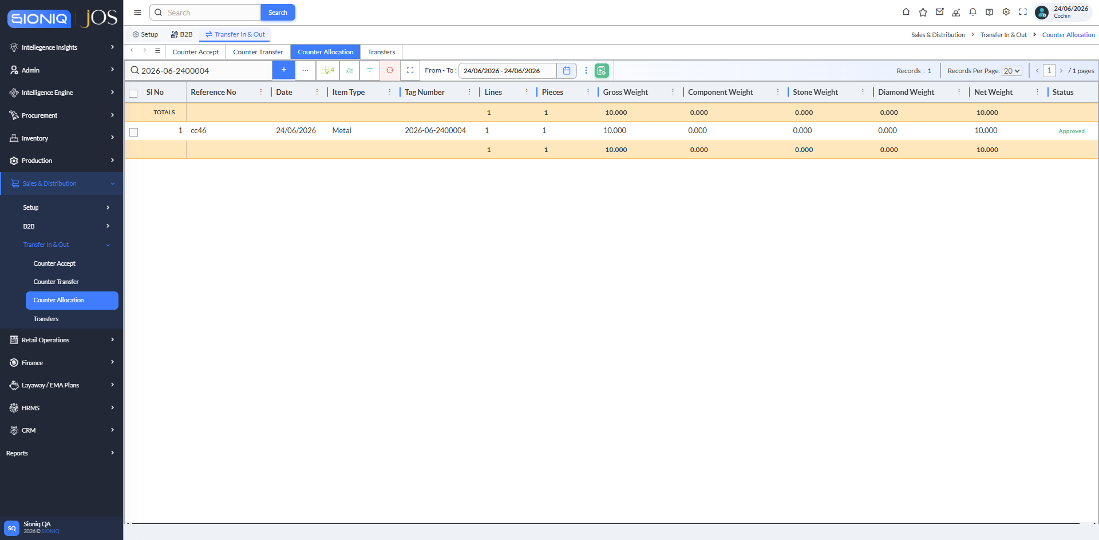

 | Tag 2026-06-2400004 allocated in cc46 (Approved)

 | Counter Accept / Reject

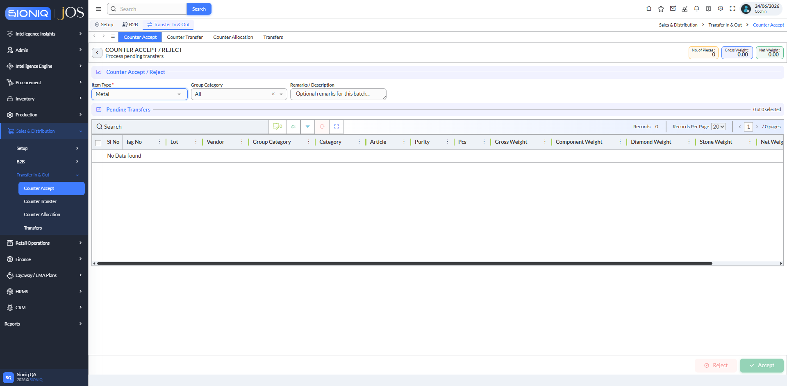

 | Item Type Metal: "No Data found" - nothing pending acceptance; the grid has no RFID column

 | B2B Metal Sales Invoice

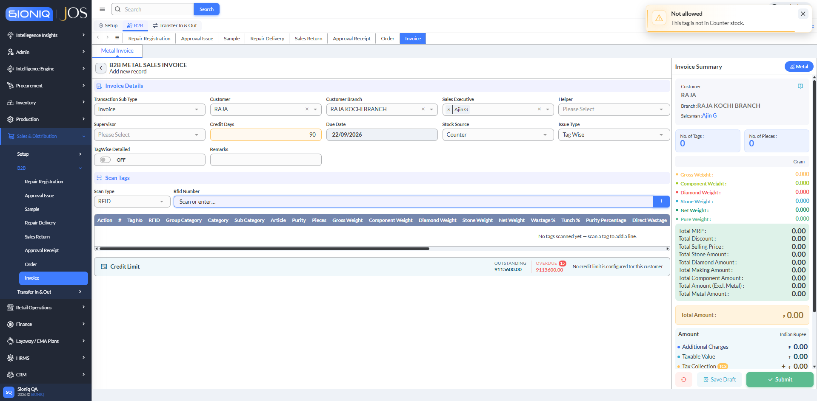

 | RFID 9A227E258A9740BE820F2277 (tag 2026-06-2400004) scan refused: "Not allowed - This tag is not in Counter stock."

 | Counter Allocation

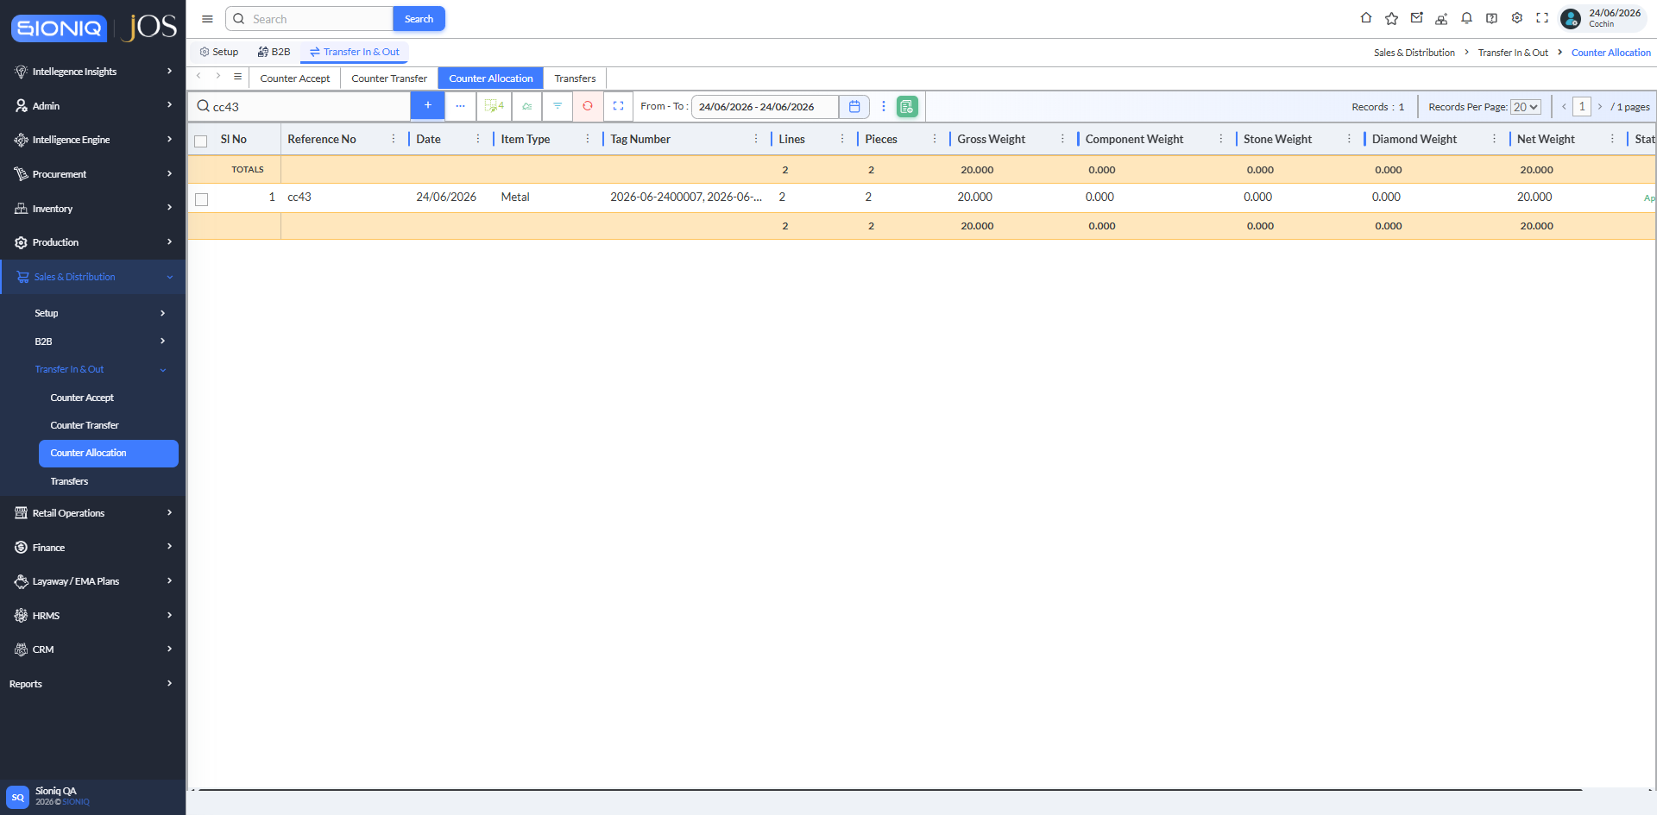

 | Allocation cc43 (26-09-2026): tags 2026-06-2400007 and 2026-06-2400008 - the first item carrying 2026-06-2400008 (lot NNN38, 10.000 g)

 | Metal Invoice

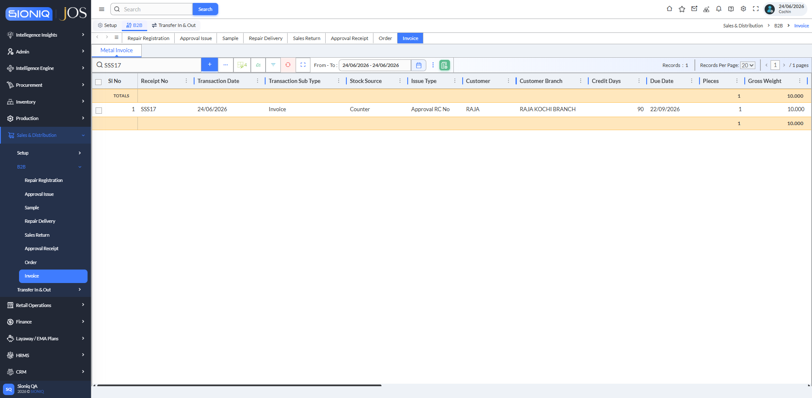

 | Invoice SSS17 (26-09-2026, Approval RC No, 1 pc 10.000 g, Final Approved) sold that first 2026-06-2400008

 | Counter Allocation

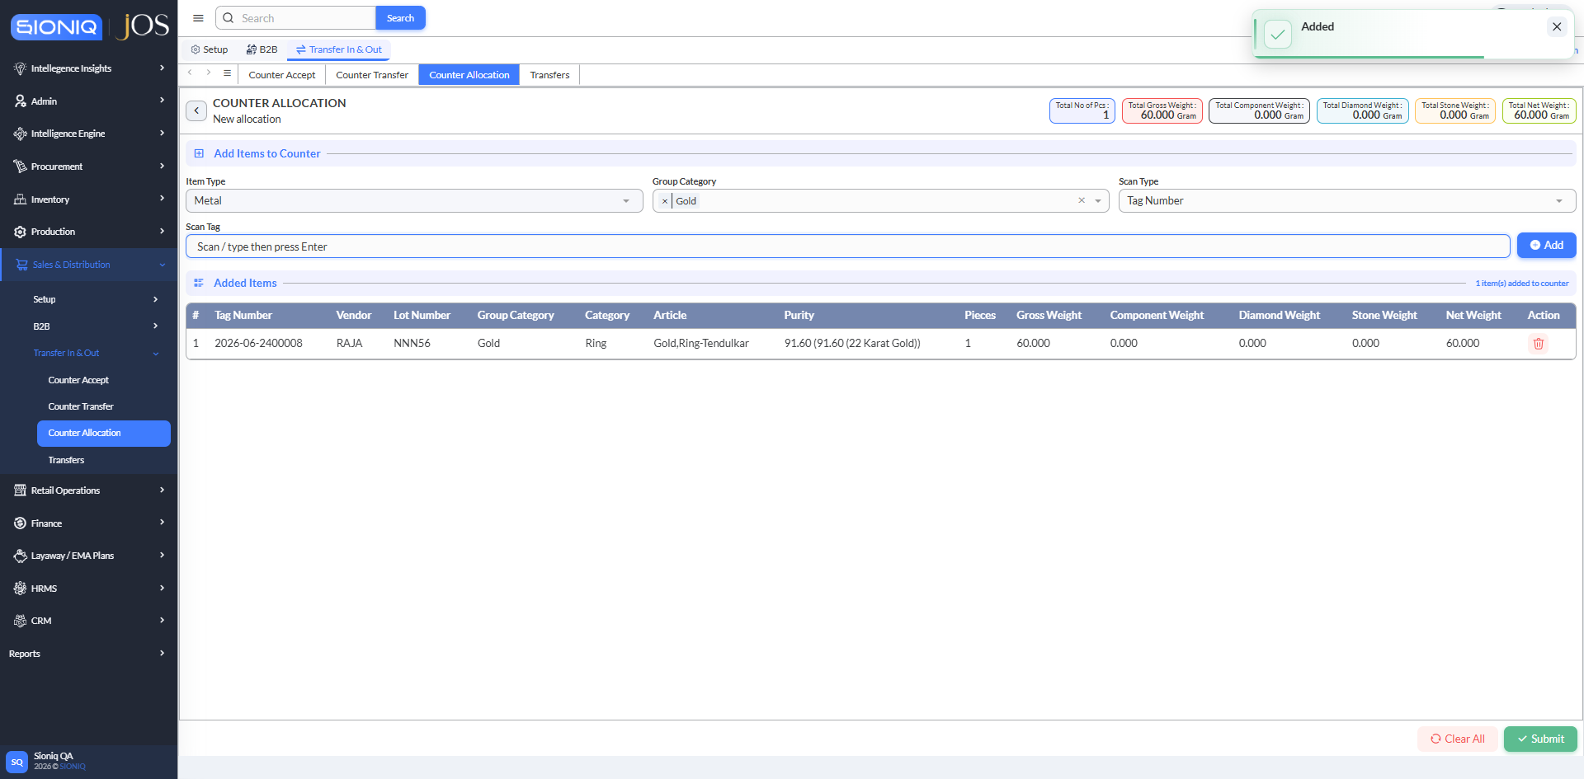

 | Reproduction 28-09-2026: the new inward M378 barcode got 2026-06-2400008 again - scanning the number stages lot NNN56, 60.000 g (form not submitted)

 | Counter Allocation



 | Tag Number 2026-06-2400009 already allocated in cc44 on 26-09-2026 (5.000 g Job Finalize tag of B2B order B187)

 | Counter Allocation



 | Reproduction via Metal Inward M379 → Lot NNN57 → Barcode (28-09-2026): the new tag got 2026-06-2400009 again - scanning the number stages lot NNN57, 50.000 g (form not submitted)

 | Counter Allocation



 | Reproduction via Metal Inward M380 → Lot NNN58 → Barcode (28-09-2026): the new tag got 2026-06-2400011, but scanning that number stages an older item - lot NN139, Celestia Jewels, 10.000 g (form not submitted)

 | Counter Allocation



 | Root cause (28-09-2026): 2026-06-2500001 already exists at Cochin - allocation cc62 (25/06/2026), 3.000 g

 | Counter Allocation



 | After 1 tag at Kakkanad (2026-06-2300001), the next Cochin tag (inward M396, lot NNN73, 50.000 g) was issued 2026-06-2500001 again (form not submitted)

